Sheet1
PAG-NAG calculator for mic reinforcement

PAG = 20*Log((Dist0 * Dist1)/(Dist2 * Dist4)) - 10*Log(NOM) - FSM
NAG = 20*Log(Dist0 / Dist3)
Pag-Nag = positive value for potentially stable systems, 0 or negative values for unstable (feedback)

6 | Dist0 - The distance between the talker and the farthest listener.
4 | Dist1 - The distance between the source microphone and the nearest loudspeaker.
3 | Dist2 - The distance between fartherst listener and his/hers nearest loudspeaker.
2 | Dist3 - The distance between the talker and the nearest listener.
1.5 | Dist4 - The distance between the talker and the microphone.
3 | NOM - Number of open microphones.
6 | FSM - Feedback stability margin. Recommended value is 6dB or higher.

3.8 dB | PAG
9.5 dB | NAG
-5.8 dB | PAG-NAG

PAG-NAG < 0. Feedback expected.
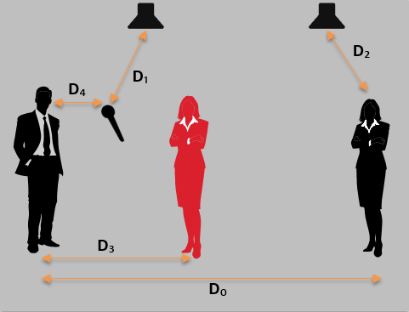

2019, Biamp Systems
Spreadsheet by Nick Brisbois, Applications Engineer

